Cover_sheet
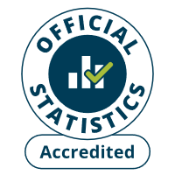
Immigration System Statistics
Year ending December 2024
Study sponsorship (Confirmation of Acceptance for Studies)
Published: 27 February 2025
Next update: No update planned
Responsible Statistician: Jack Cooper
Email: MigrationStatsEnquiries@homeoffice.gov.uk
Press enquiries: 0300 123 3535
Crown copyright © 2024

Notice
Publication of Certificates of Sponsorship (CoS) for work visas and Confirmations of Acceptance for Studies (CAS) for study visas will be discontinued. The last quarterly release has been published on 27 February 2025, with data to the end of December 2024. The insights contained within these statistics are mostly superseded by the sponsored work visas by occupation and industry dataset, and the sponsored study visas by course level dataset. This change will ensure we provide a more coherent overview of the types of work and study that migrants come to the UK for.

